Immediate Repairs
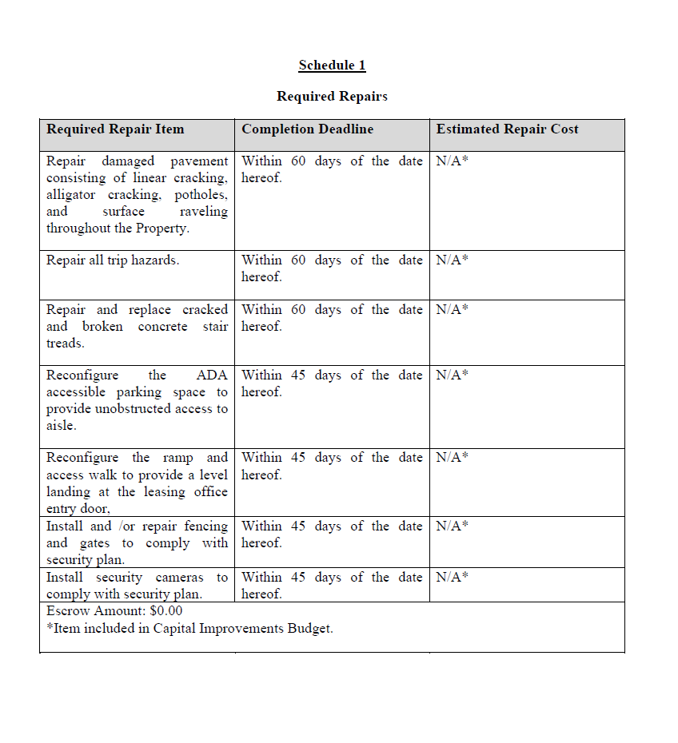

Immediate Repairs |  |  | Status
Install and /or repair fencing and gates to comply with security plan. | 1 | $30,000.00
Repair damaged pavement consisting of linear cracking, alligator cracking, potholes, and surface raveling throughout the Property. | 1 | $28,000.00
Install security cameras to comply with security plan. | 1 | $20,000.00
Repair and replace cracked and broken concrete stair treads. | 1 | $5,000.00
Repair all trip hazards. | 1 | $3,000.00
Reconfigure the ramp and access walk to provide a level landing at the leasing office entry door | 1 | $1,200.00
Reconfigure the ADA accessible parking space to provide unobstructed access to aisle. | 1 | $500.00
[Enter] | 0 | $0.00
[Enter] | 0 | $0.00
[Enter] | 0 | $0.00
Immediate Repairs Subtotal

Closed& Approved Budget
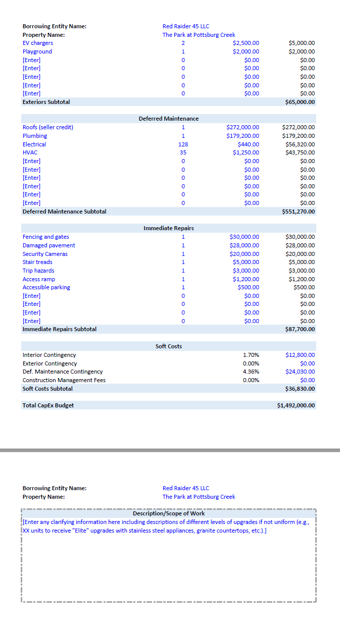
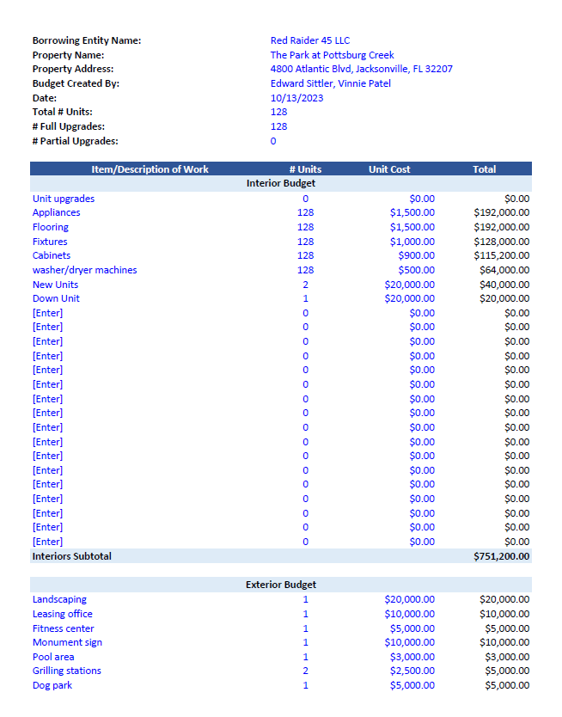

Appliance Details
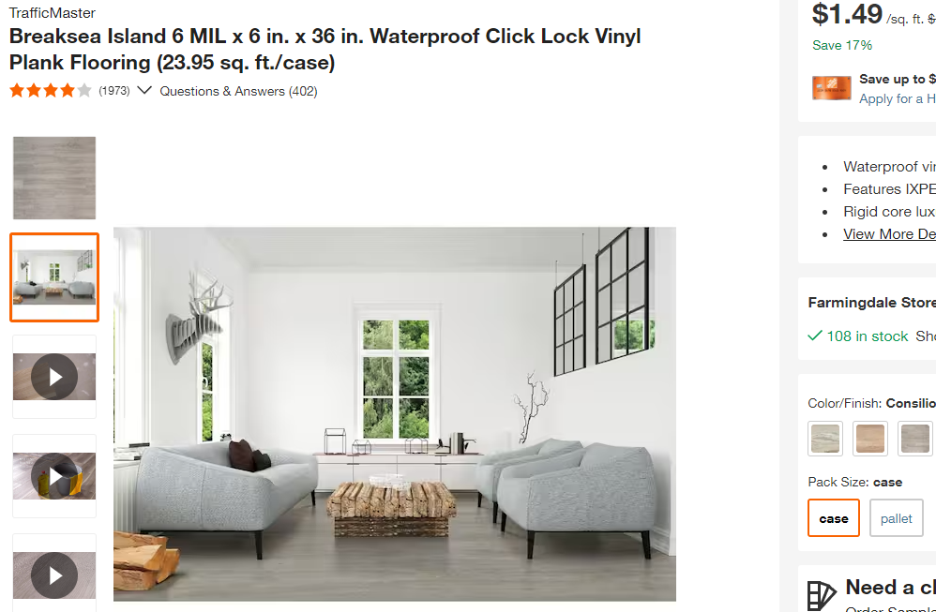
Appliances |  | Rich Feller - LinkedIn | Diamond Appl Group | Diamond Appl Group | Summit Appliance From Peak | Amazon | HD Supply | Home Depot
 |  | Single | Single | 10 Units |  | Single
FCFE3083AS | Range | 799
F4000 Hood | Hood | 110
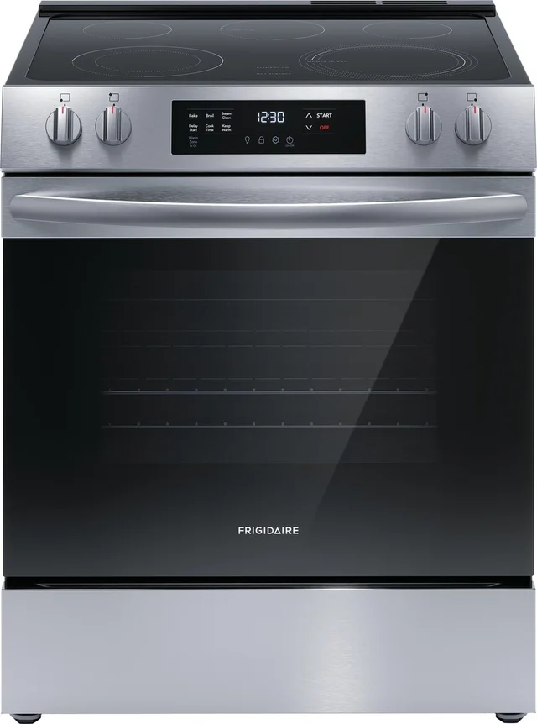
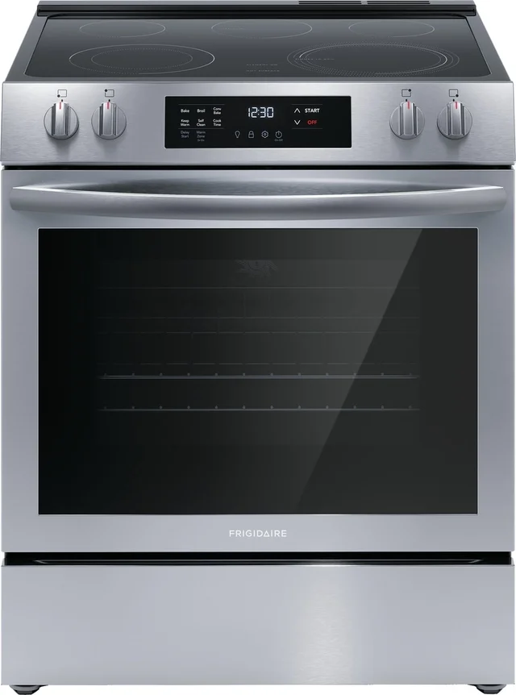
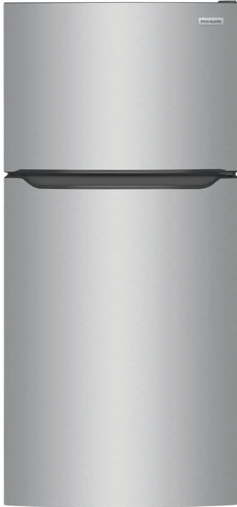
FFTR1835VS | Fridge | 653 | 670 | 625 |  | 680 | 859 | 598 | FCFE3062AS | FCFE3083AS | FFTR1835VS
FCFE3062AS | Range |  | 785 | 735 |  | 780 | 1,221 | 798
Broan F403004 | Hood |  | 110 | 99 |  | 110 |  | 60

Total |  | 1,562 | 1,565 | 1,459 | 0 | 1,570 | 2,080 | 1456

 |  |  | appliances total | 1403 | 60 | 84180
 |  |  | budget | 1500 | 128 | 192000
 |  |  | budget reallocation |  |  | 107820

